Array3
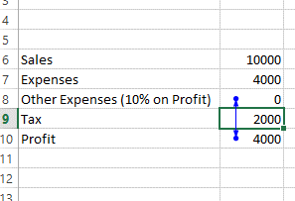
FinShiksha

Mumbai
Mumbai
Chennai
Coimbatore
Gujrat
Maharashtra
Gurgaon

List is not Unique | {=IF(MAX(COUNTIF(A$6:A$12,A6:A12))>1,"List is not Unique","List is Unique")}

Circular Reference

FinShiksha

 |  | <== Circular Reference
Sales | 10,000.00
Expenses | 4,000.00
Other Expenses (10% on Profit) | 363.64
Tax | 2,000.00
Profit | 3,636.36

